EC01
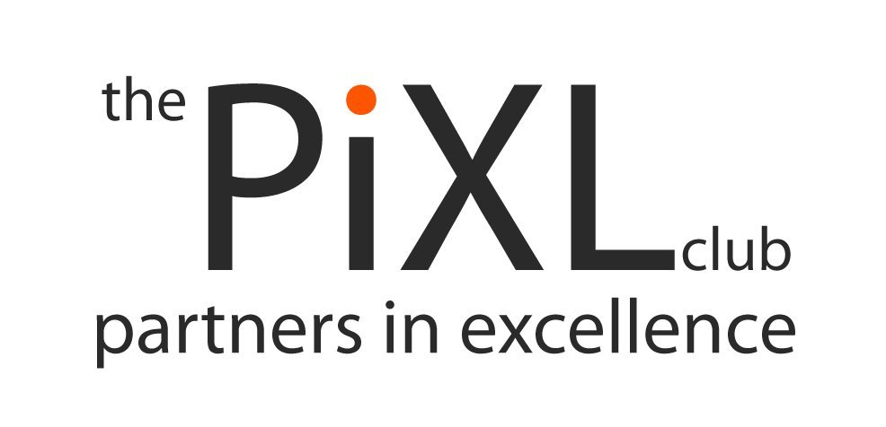
PiXL: GCSE
Subject: Business Studies
Examination Board: WJEC
Specification Code: 3210
Module:
Name: | Individual scorecard
Key: Secure at Target Grade Insecure at Target Grade No Knowledge at Target Grade | First | What I need to work on | After mock | What I need to work on | After Christmas | What I need to work on | Before exam | What I need to work on

GCSE Business Studies
Unit 1 - The business framework
Can identify at least three reasons why people start up businesses
Can identify at least three enterprise skills/characteristics
Can identify at least four stakeholders and explain their interests
Can define social enterprise
Can define unlimited liability and limited liability
Is able to define and give at least three advantages and disadvantages of sole traders
Is able to define and give at least three advantages and disadvantages of partnerships
Is able to define and give at least three advantages and disadvantages of private limited companies
Is able to define and give at least three advantages and disadvantages of public limited companies
Is able to define and give at least three advantages and disadvantages of franchises
Can explain the difference between worker and retail co-operative
Is able to define and give at least three advantages and disadvantages of multinational companies
Can identify and explain at least three business objectives

Unit 2 - Marketing
Can name the five main stages of the product life cycle
Can explain at least three extension strategies
Can give at least three examples, advantages and disadvantages of primary research
Can give at least three examples, advantages and disadvantages of secondary research
Can identify at least four categories of market segmentation
Can name the four Ps of the marketing mix
Can identify and explain at least three pricing strategies
Can identify and explain at least three promotional strategies
Can identify at least four places of advertising media
Can explain what distribution is
Is able to define branding and USP
Is able to define and give at least three advantages and disadvantages of e-commerce
Understands what ASA is and how consumers are protected by the law

Unit 3 - Production
Can define and give at least two advantages and disadvantages of job, batch and flow production
Can define and give at least two advantages & disadvantages of quality control & quality assurance
Can explain what JIT and kaizen are
Can define and give at least two examples of fixed costs and variable costs
Can define break even
Can draw a break even chart
Can give examples of industries in the primary, secondary and tertiary sectors
Is able to define horizontal, forwards backwards and diversification integration
Can give examples of consumer & producer goods and consumer & producer services
Can define economies of scale
Can identify at least three items in a business plan
Can define and explain at least two advantages and disadvantages of the EU
Can define and explain at least three advantages and disadvantages of international trade
Can explain what the euro is
Can identify at least three factors a business would think about when choosing their location

Unit 4 - People at work
Is able to complete a pay slip
Can identify and explain at least three financial and non-financial methods of motivation
Can identify and explain at least three on-the-job and off-the-job training methods
Can define induction training
Can explain what discrimination is and how employees are protected by the law
Is able to define trade union and explain at least two ways in which they help employees
Can distinguish between autocratic and democratic leadership
Can explain at least three advantages and disadvantages of autocratic and demcratic leadership
Can identify different roles from an organisation chart
Can define responsibility, line of communication and span of control
Can explain at least three methods of effective communication
Is able to identify at least three items in a job description and person specification
Can explain what job adverts, shortlisting and interviews are

Unit 5 - External influences
Can define economic growth and explain at least two effects on businesses
Can define inflation and explain at least two effects on businesses
Can define unemployment and explain at least two effects on businesses
Can explain how increases and decreases in interest rates affect businesses
Can explain how increases and decreases in exchange rates affect businesses
Can explain how increases and decreases in income, corporation and VAT tax affect businesses
Is able to define pressure groups
Understands at least three effects competitors can have on a business
Can define ethics and explain at least two reasons why businesses behave ethically
Can explain at least two environmental aims a business might have and why
Can identify at least three unforeseen events and explain their impact
Is able to define and give at least three examples of social costs and benefits
Can define and give at least two advantages and disadvantages of CAD and CAM

Unit 6 - Finance
Can complete a basic profit and loss account
Can calculate gross profit margin and net profit margin
Is able to explain at least three ways in which a business can increase its profitability
Can identify at least three stakeholders and why interested in a profit and loss account
Can complete a basic cash flow forecast
Can explain at least two problems of negative cash flow
Is able to explain at least three ways in which a business can increase its cash flow
Can complete a basic balance sheet
Can calculate the current ratio and working capital
Is able to explain at least three ways in which a business can improve its balance sheet
Can identify and explain at least three ways in which a business can measure its success
Can give at least four sources of finance, explaining at least two advantages and disadvantages

